Table 20
IN WITNESS WHEREOF, the ParUes hereto have executed this Agre memt on the dates set forth betow.
& S,chool Oisuict, vi Sy: -,--.,..........jjlo,'-'- -_..,. ..:r.-,........, u _ Tj : f-' l0 f.tJv., ed: fl' / q / 7-0 ;t.;L I l | Caifomb p bfic school di trict
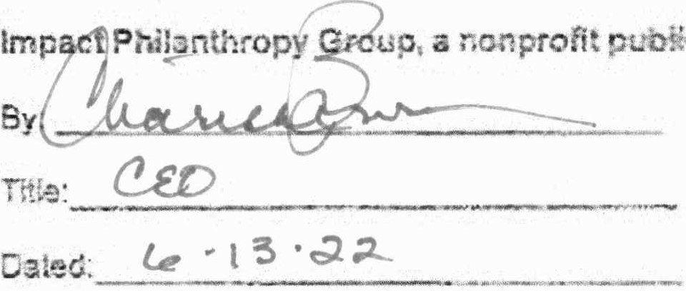 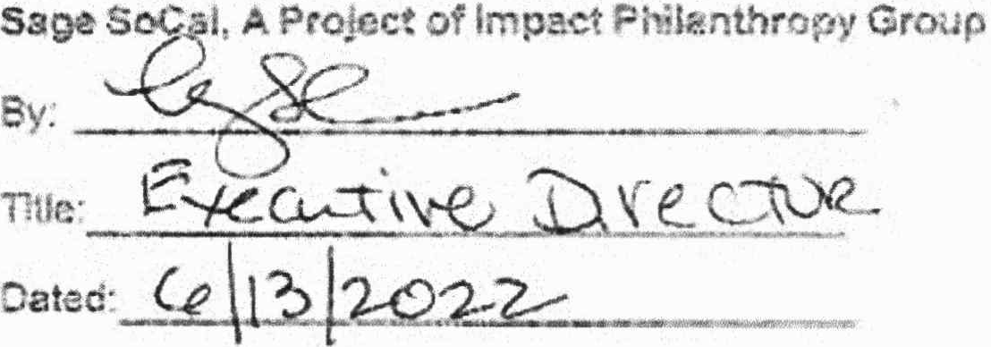 be'nefltcorporaion |  | .,,

